Purpose statistics
Univariate Analysis of Variance

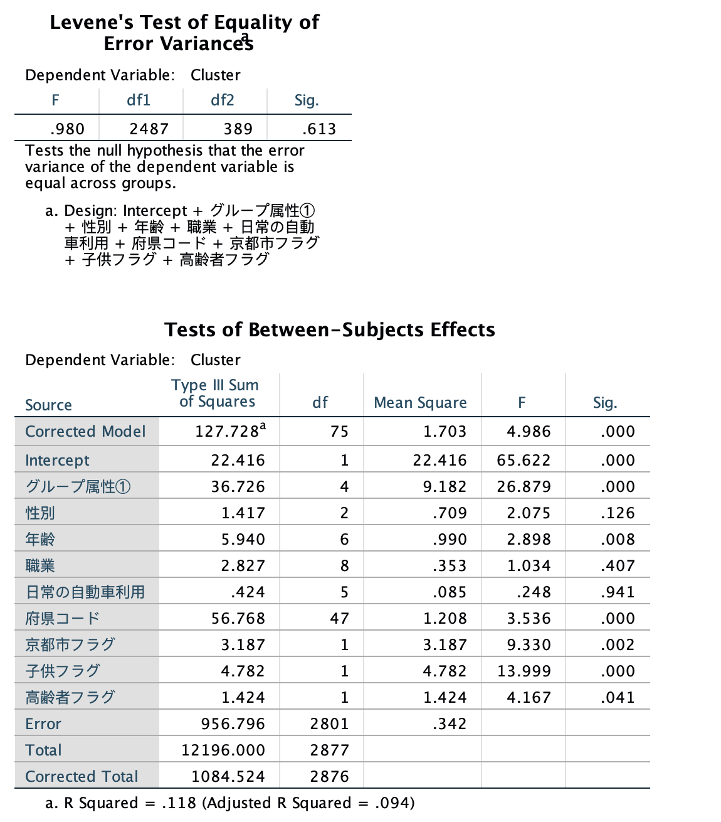

Crosstabs

Case Processing Summary
 | Cases
 | Valid |  | Missing |  | Total
 | N | Percent | N | Percent | N | Percent
Cluster * グループ属性① | 3381 | 97.8% | 75 | 2.2% | 3456 | 100.0%

Cluster * グループ属性① Crosstabulation
 |  |  | グループ属性① |  |  |  |  | Total
 |  |  | Single | Couple | Family | Friends‎/Collegue | Group
Cluster | 1-6-8 | Count | 30 | 217 | 147 | 237 | 31 | 662
 |  | % within Cluster | 4.5% | 32.8% | 22.2% | 35.8% | 4.7% | 100.0%
 | 1-6 | Count | 263 | 666 | 524 | 522 | 150 | 2125
 |  | % within Cluster | 12.4% | 31.3% | 24.7% | 24.6% | 7.1% | 100.0%
 | 5 | Count | 132 | 121 | 169 | 125 | 47 | 594
 |  | % within Cluster | 22.2% | 20.4% | 28.5% | 21.0% | 7.9% | 100.0%
Total |  | Count | 425 | 1004 | 840 | 884 | 228 | 3381
 |  | % within Cluster | 12.6% | 29.7% | 24.8% | 26.1% | 6.7% | 100.0%

GGraph

Crosstabs

Case Processing Summary
 | Cases
 | Valid |  | Missing |  | Total
 | N | Percent | N | Percent | N | Percent
Cluster * 性別 | 3008 | 87.0% | 448 | 13.0% | 3456 | 100.0%

Cluster * 性別 Crosstabulation
 |  |  | 性別 |  |  | Total
 |  |  | 0 | Male | Female
Cluster | 1-6-8 | Count | 1 | 186 | 423 | 610
 |  | % within Cluster | 0.2% | 30.5% | 69.3% | 100.0%
 | 1-6 | Count | 1 | 753 | 1101 | 1855
 |  | % within Cluster | 0.1% | 40.6% | 59.4% | 100.0%
 | 5 | Count | 0 | 209 | 334 | 543
 |  | % within Cluster | 0.0% | 38.5% | 61.5% | 100.0%
Total |  | Count | 2 | 1148 | 1858 | 3008
 |  | % within Cluster | 0.1% | 38.2% | 61.8% | 100.0%

GGraph

Crosstabs

Case Processing Summary
 | Cases
 | Valid |  | Missing |  | Total
 | N | Percent | N | Percent | N | Percent
Cluster * 年齢 | 3260 | 94.3% | 196 | 5.7% | 3456 | 100.0%

Cluster * 年齢 Crosstabulation
 |  |  | 年齢 |  |  |  |  |  |  | Total
 |  |  | 10代 | 20代 | 30代 | 40代 | 50代 | 60代 | 70歳以上
Cluster | 1-6-8 | Count | 2 | 74 | 109 | 111 | 223 | 87 | 35 | 641
 |  | % within Cluster | 0.3% | 11.5% | 17.0% | 17.3% | 34.8% | 13.6% | 5.5% | 100.0%
 | 1-6 | Count | 20 | 178 | 252 | 333 | 631 | 458 | 153 | 2025
 |  | % within Cluster | 1.0% | 8.8% | 12.4% | 16.4% | 31.2% | 22.6% | 7.6% | 100.0%
 | 5 | Count | 6 | 39 | 84 | 113 | 162 | 138 | 52 | 594
 |  | % within Cluster | 1.0% | 6.6% | 14.1% | 19.0% | 27.3% | 23.2% | 8.8% | 100.0%
Total |  | Count | 28 | 291 | 445 | 557 | 1016 | 683 | 240 | 3260
 |  | % within Cluster | 0.9% | 8.9% | 13.7% | 17.1% | 31.2% | 21.0% | 7.4% | 100.0%

GGraph

Crosstabs

Case Processing Summary
 | Cases
 | Valid |  | Missing |  | Total
 | N | Percent | N | Percent | N | Percent
Cluster * 職業 | 3266 | 94.5% | 190 | 5.5% | 3456 | 100.0%

Cluster * 職業 Crosstabulation
 |  |  | 職業 |  |  |  |  |  |  |  |  | Total
 |  |  | Company Executive | Employee | Government Employee | Self employed | Part-time | Housewife | Student | Non-worker | Other
Cluster | 1-6-8 | Count | 29 | 235 | 58 | 49 | 52 | 130 | 17 | 51 | 25 | 646
 |  | % within Cluster | 4.5% | 36.4% | 9.0% | 7.6% | 8.0% | 20.1% | 2.6% | 7.9% | 3.9% | 100.0%
 | 1-6 | Count | 94 | 593 | 198 | 156 | 173 | 399 | 62 | 277 | 71 | 2023
 |  | % within Cluster | 4.6% | 29.3% | 9.8% | 7.7% | 8.6% | 19.7% | 3.1% | 13.7% | 3.5% | 100.0%
 | 5 | Count | 31 | 170 | 47 | 40 | 55 | 130 | 16 | 72 | 36 | 597
 |  | % within Cluster | 5.2% | 28.5% | 7.9% | 6.7% | 9.2% | 21.8% | 2.7% | 12.1% | 6.0% | 100.0%
Total |  | Count | 154 | 998 | 303 | 245 | 280 | 659 | 95 | 400 | 132 | 3266
 |  | % within Cluster | 4.7% | 30.6% | 9.3% | 7.5% | 8.6% | 20.2% | 2.9% | 12.2% | 4.0% | 100.0%

GGraph

Crosstabs

Case Processing Summary
 | Cases
 | Valid |  | Missing |  | Total
 | N | Percent | N | Percent | N | Percent
Cluster * 日常の自動車利用 | 3233 | 93.5% | 223 | 6.5% | 3456 | 100.0%

Cluster * 日常の自動車利用 Crosstabulation
 |  |  | 日常の自動車利用 |  |  |  |  |  | Total
 |  |  | No license | Hardly drive | Several times per year | Several times per month | 2,3 times per week | Every day
Cluster | 1-6-8 | Count | 104 | 91 | 25 | 76 | 87 | 257 | 640
 |  | % within Cluster | 16.3% | 14.2% | 3.9% | 11.9% | 13.6% | 40.2% | 100.0%
 | 1-6 | Count | 358 | 265 | 64 | 205 | 317 | 806 | 2015
 |  | % within Cluster | 17.8% | 13.2% | 3.2% | 10.2% | 15.7% | 40.0% | 100.0%
 | 5 | Count | 130 | 89 | 22 | 69 | 64 | 204 | 578
 |  | % within Cluster | 22.5% | 15.4% | 3.8% | 11.9% | 11.1% | 35.3% | 100.0%
Total |  | Count | 592 | 445 | 111 | 350 | 468 | 1267 | 3233
 |  | % within Cluster | 18.3% | 13.8% | 3.4% | 10.8% | 14.5% | 39.2% | 100.0%

GGraph

Crosstabs

Case Processing Summary
 | Cases
 | Valid |  | Missing |  | Total
 | N | Percent | N | Percent | N | Percent
Cluster * 府県コード | 3456 | 100.0% | 0 | 0.0% | 3456 | 100.0%

Cluster * 府県コード Crosstabulation
 |  |  | 府県コード |  |  |  |  |  |  |  |  |  |  |  |  |  |  |  |  |  |  |  |  |  |  |  |  |  |  |  |  |  |  |  |  |  |  |  |  |  |  |  |  |  |  |  |  |  |  |  | Total
 |  |  | 0 | 1 | 2 | 3 | 4 | 5 | 6 | 7 | 8 | 9 | 10 | 11 | 12 | 13 | 14 | 15 | 16 | 17 | 18 | 19 | 20 | 21 | 22 | 23 | 24 | 25 | 26 | 27 | 28 | 29 | 30 | 31 | 32 | 33 | 34 | 35 | 36 | 37 | 38 | 39 | 40 | 41 | 42 | 43 | 44 | 45 | 46 | 47
Cluster | 1-6-8 | Count | 26 | 10 | 0 | 2 | 3 | 4 | 3 | 2 | 9 | 12 | 1 | 32 | 35 | 93 | 65 | 3 | 5 | 6 | 3 | 5 | 6 | 16 | 19 | 47 | 10 | 12 | 35 | 80 | 39 | 7 | 4 | 1 | 3 | 9 | 14 | 3 | 6 | 6 | 4 | 1 | 13 | 2 | 2 | 4 | 1 | 0 | 3 | 2 | 668
 |  | % within Cluster | 3.9% | 1.5% | 0.0% | 0.3% | 0.4% | 0.6% | 0.4% | 0.3% | 1.3% | 1.8% | 0.1% | 4.8% | 5.2% | 13.9% | 9.7% | 0.4% | 0.7% | 0.9% | 0.4% | 0.7% | 0.9% | 2.4% | 2.8% | 7.0% | 1.5% | 1.8% | 5.2% | 12.0% | 5.8% | 1.0% | 0.6% | 0.1% | 0.4% | 1.3% | 2.1% | 0.4% | 0.9% | 0.9% | 0.6% | 0.1% | 1.9% | 0.3% | 0.3% | 0.6% | 0.1% | 0.0% | 0.4% | 0.3% | 100.0%
 | 1-6 | Count | 118 | 33 | 5 | 7 | 13 | 4 | 6 | 13 | 27 | 31 | 9 | 105 | 105 | 206 | 158 | 16 | 27 | 30 | 25 | 9 | 23 | 32 | 80 | 152 | 36 | 46 | 111 | 264 | 141 | 30 | 16 | 13 | 10 | 33 | 42 | 19 | 13 | 9 | 19 | 9 | 53 | 6 | 9 | 10 | 4 | 5 | 4 | 6 | 2142
 |  | % within Cluster | 5.5% | 1.5% | 0.2% | 0.3% | 0.6% | 0.2% | 0.3% | 0.6% | 1.3% | 1.4% | 0.4% | 4.9% | 4.9% | 9.6% | 7.4% | 0.7% | 1.3% | 1.4% | 1.2% | 0.4% | 1.1% | 1.5% | 3.7% | 7.1% | 1.7% | 2.1% | 5.2% | 12.3% | 6.6% | 1.4% | 0.7% | 0.6% | 0.5% | 1.5% | 2.0% | 0.9% | 0.6% | 0.4% | 0.9% | 0.4% | 2.5% | 0.3% | 0.4% | 0.5% | 0.2% | 0.2% | 0.2% | 0.3% | 100.0%
 | 5 | Count | 49 | 9 | 0 | 2 | 1 | 2 | 0 | 1 | 1 | 2 | 0 | 17 | 15 | 40 | 24 | 1 | 2 | 5 | 10 | 1 | 2 | 4 | 10 | 25 | 11 | 49 | 109 | 116 | 67 | 12 | 5 | 2 | 1 | 8 | 16 | 4 | 1 | 5 | 3 | 2 | 6 | 0 | 2 | 3 | 0 | 1 | 0 | 0 | 646
 |  | % within Cluster | 7.6% | 1.4% | 0.0% | 0.3% | 0.2% | 0.3% | 0.0% | 0.2% | 0.2% | 0.3% | 0.0% | 2.6% | 2.3% | 6.2% | 3.7% | 0.2% | 0.3% | 0.8% | 1.5% | 0.2% | 0.3% | 0.6% | 1.5% | 3.9% | 1.7% | 7.6% | 16.9% | 18.0% | 10.4% | 1.9% | 0.8% | 0.3% | 0.2% | 1.2% | 2.5% | 0.6% | 0.2% | 0.8% | 0.5% | 0.3% | 0.9% | 0.0% | 0.3% | 0.5% | 0.0% | 0.2% | 0.0% | 0.0% | 100.0%
Total |  | Count | 193 | 52 | 5 | 11 | 17 | 10 | 9 | 16 | 37 | 45 | 10 | 154 | 155 | 339 | 247 | 20 | 34 | 41 | 38 | 15 | 31 | 52 | 109 | 224 | 57 | 107 | 255 | 460 | 247 | 49 | 25 | 16 | 14 | 50 | 72 | 26 | 20 | 20 | 26 | 12 | 72 | 8 | 13 | 17 | 5 | 6 | 7 | 8 | 3456
 |  | % within Cluster | 5.6% | 1.5% | 0.1% | 0.3% | 0.5% | 0.3% | 0.3% | 0.5% | 1.1% | 1.3% | 0.3% | 4.5% | 4.5% | 9.8% | 7.1% | 0.6% | 1.0% | 1.2% | 1.1% | 0.4% | 0.9% | 1.5% | 3.2% | 6.5% | 1.6% | 3.1% | 7.4% | 13.3% | 7.1% | 1.4% | 0.7% | 0.5% | 0.4% | 1.4% | 2.1% | 0.8% | 0.6% | 0.6% | 0.8% | 0.3% | 2.1% | 0.2% | 0.4% | 0.5% | 0.1% | 0.2% | 0.2% | 0.2% | 100.0%

GGraph

Crosstabs

Case Processing Summary
 | Cases
 | Valid |  | Missing |  | Total
 | N | Percent | N | Percent | N | Percent
Cluster * 京都市フラグ | 3456 | 100.0% | 0 | 0.0% | 3456 | 100.0%

Cluster * 京都市フラグ Crosstabulation
 |  |  | 京都市フラグ |  | Total
 |  |  | Kyoto | Not Kyoto
Cluster | 1-6-8 | Count | 28 | 640 | 668
 |  | % within Cluster | 4.2% | 95.8% | 100.0%
 | 1-6 | Count | 64 | 2078 | 2142
 |  | % within Cluster | 3.0% | 97.0% | 100.0%
 | 5 | Count | 62 | 584 | 646
 |  | % within Cluster | 9.6% | 90.4% | 100.0%
Total |  | Count | 154 | 3302 | 3456
 |  | % within Cluster | 4.5% | 95.5% | 100.0%

GGraph

Crosstabs

Case Processing Summary
 | Cases
 | Valid |  | Missing |  | Total
 | N | Percent | N | Percent | N | Percent
Cluster * 子供フラグ | 3456 | 100.0% | 0 | 0.0% | 3456 | 100.0%

Cluster * 子供フラグ Crosstabulation
 |  |  | 子供フラグ |  | Total
 |  |  | 0 | 1
Cluster | 1-6-8 | Count | 654 | 14 | 668
 |  | % within Cluster | 97.9% | 2.1% | 100.0%
 | 1-6 | Count | 2014 | 128 | 2142
 |  | % within Cluster | 94.0% | 6.0% | 100.0%
 | 5 | Count | 590 | 56 | 646
 |  | % within Cluster | 91.3% | 8.7% | 100.0%
Total |  | Count | 3258 | 198 | 3456
 |  | % within Cluster | 94.3% | 5.7% | 100.0%

GGraph

Crosstabs

Case Processing Summary
 | Cases
 | Valid |  | Missing |  | Total
 | N | Percent | N | Percent | N | Percent
Cluster * 高齢者フラグ | 3456 | 100.0% | 0 | 0.0% | 3456 | 100.0%

Cluster * 高齢者フラグ Crosstabulation
 |  |  | 高齢者フラグ |  | Total
 |  |  | 0 | 1
Cluster | 1-6-8 | Count | 538 | 130 | 668
 |  | % within Cluster | 80.5% | 19.5% | 100.0%
 | 1-6 | Count | 1623 | 519 | 2142
 |  | % within Cluster | 75.8% | 24.2% | 100.0%
 | 5 | Count | 490 | 156 | 646
 |  | % within Cluster | 75.9% | 24.1% | 100.0%
Total |  | Count | 2651 | 805 | 3456
 |  | % within Cluster | 76.7% | 23.3% | 100.0%

GGraph

